Example
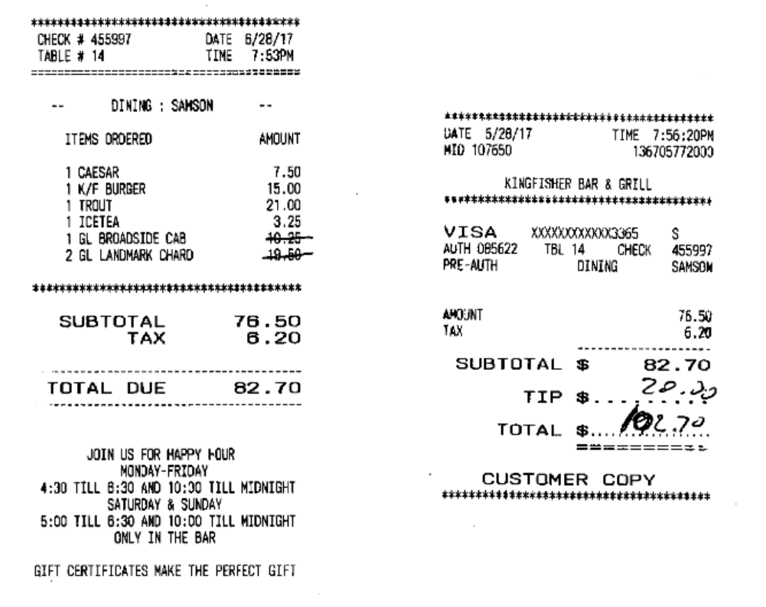

10.25
19.5
29.75

